Sheet1
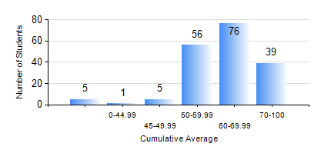
 |  |  | KWAME NKRUMAH UNIVERSITY OF SCIENCE AND TECHNOLOGY, KUMASI Department of Computer Engineering

 |  |  | BSC. COMPUTER ENG.

 |  |  | COMPREHENSIVE RECORD OF EXAMINATION RESULTS

 |  |  | RESULTS OF YEAR 3 FIRST SEMESTER, 2024/2025 ACADEMIC YEAR

 | Sn | Course Code |  | Course Name | Credit Hours | Min. Mark | Max. Mark | Avg. Mark | Std. Dev. | No. Passed | No. Trailed | No. (Df) | No. (I) | No. (I*) | No. Tagged(I,I*,Df) | Total
 | 0. |  |  |  |  |  |  | 0 | 0 | 0 | 0 | 0 | 0 | 0 | 0 | 16
 | 1. | COE 363 |  | DATA STRUCTURES AND ALGORITHMS | 3 | 40 | 92 | 69 | 11.28 | 166 | 0 | 0 | 0 | 0 | 0 | 166
 | 2. | COE 371 |  | LINEAR ELECTRONIC CIRCUITS | 3 | 30 | 91 | 60 | 12.71 | 163 | 3 | 0 | 0 | 0 | 0 | 166
 | 3. | COE 381 |  | MICROPROCESSORS | 3 | 27 | 84 | 62 | 9.55 | 165 | 1 | 0 | 0 | 0 | 0 | 166
 | 4. | COE 387 |  | CLASSICAL CONTROL SYSTEMS | 3 | 40 | 81 | 53 | 9.96 | 166 | 0 | 0 | 0 | 0 | 0 | 166
 | 5. | MATH 351 |  | NUMERICAL ANALYSIS | 2 | 30 | 95 | 62 | 12.63 | 163 | 3 | 0 | 0 | 0 | 0 | 166
 | 6. | STAT 253 |  | PROBABILITY AND STATISTICS | 2 | 40 | 93 | 64 | 11.02 | 166 | 0 | 0 | 0 | 0 | 0 | 166
 | 7. | TE 385 |  | SIGNALS AND SYSTEMS | 2 | 17 | 95 | 59 | 16.08 | 150 | 16 | 0 | 0 | 0 | 0 | 166

